Schedule
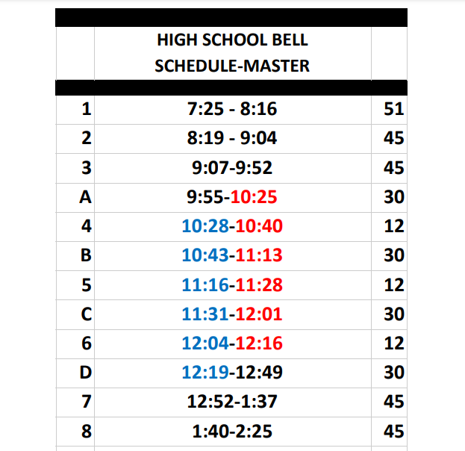
 | REGULAR |  |  | FORUM |  |  | 1/2 DAY |  |  | 2 HOUR DELAY
Period: | Start: | Class: | Period: | Start: | Class: | Period: | Start: | Class: | Period: | Start: | Class:
1 | 7:25:00 | AP CALC | 1 | 7:25:00 | AP CALC | 1 | 7:25:00 | AP CALC | 1 | 9:25:00 | AP CALC
2 | 8:19:00 | ENGLISH | 2 | 8:10:00 | ENGLISH | 2 | 7:56:00 | ENGLISH | 2 | 10:00:00 | ENGLISH
3 | 9:07:00 | AP PHYSICS | 3 | 8:55:00 | AP PHYSICS | 3 | 8:22:00 | AP PHYSICS | 3 | 10:32:00 | AP PHYSICS
A | 9:55:00 | AP PHYSICS | A | 9:40:00 | GYM/LAB | 4 | 8:48:00 | GYM/LAB | A | 11:04:00 | AP PHYSICS
4 | 10:25:00 | GYM/LAB | 4 | 10:13:00 | GYM/LAB | 5 | 9:14:00 | AP CHEM | 4 | 11:36:00 | GYM/LAB
B | 10:43:00 | AP CHEM | B | 10:24:00 | AP CHEM | 6 | 9:40:00 | HEALTH/STUDY | B | 11:40:00 | AP CHEM
5 | 11:16:00 | AP CHEM | 5 | 10:57:00 | AP CHEM | 7 | 10:06:00 | AP SPANISH | 5 | 12:12:00 | AP CHEM
C | 11:31:00 | LUNCH | C | 11:08:00 | LUNCH | 8 | 10:32:00 | GOV | C | 12:16:00 | LUNCH
6 | 12:04:00 | HEALTH/STUDY | 6 | 11:41:00 | HEALTH/STUDY |  |  |  | 6 | 12:48:00 | HEALTH/STUDY
D | 12:19:00 | HEALTH/STUDY | D | 11:52:00 | HEALTH/STUDY |  |  |  | D | 12:52:00 | HEALTH/STUDY
7 | 12:52:00 | AP SPANISH | 7 | 12:25:00 | FORUM |  |  |  | 7 | 13:24:00 | AP SPANISH
8 | 13:40:00 | GOV | 8 | 13:43:00 | GOV |  |  |  | 8 | 13:56:00 | GOV

